Markov e MTTF
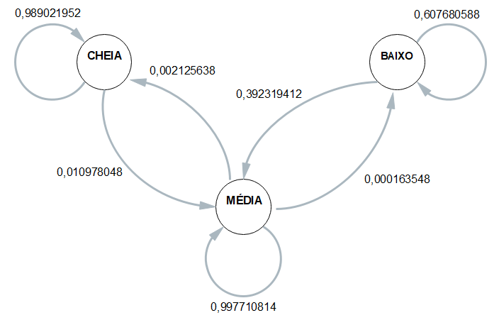
 | ESP1 | ESP2 | ESP3 | ESP4 | MÉDIA
CC | 0.98850574713 | 0.98936170213 | 0.98765432099 | 0.99056603774 | 0.98902195199
CM | 0.011494252874 | 0.010638297872 | 0.012345679012 | 0.0094339622642 | 0.010978048006
CB | 0 | 0 | 0 | 0 | 0

MC | 0.0022868343679 | 0.0008208832704 | 0.0024260067928 | 0.0029688273132 | 0.0021256379361
MM | 0.99754982032 | 0.99901494008 | 0.99741225942 | 0.99686623784 | 0.99771081441
MB | 0.00016334531199 | 0.00016417665408 | 0.00016173378619 | 0.00016493485073 | 0.00016354765075

BC | 0 | 0 | 0 | 0 | 0
BM | 0.37362637363 | 0.42655935614 | 0.38563327032 | 0.38345864662 | 0.39231941168
BB | 0.62637362637 | 0.57344064386 | 0.61436672968 | 0.61654135338 | 0.60768058832

 | Esp1 | Esp2 | Esp3 | Esp4 |  | media
Hora Inicial | 11:03:04 | 11:08:22 | 11:12:34 | 11:17:42 |  | 11:10:25
Hora Limite 2,8 | 18:48:40 | 18:52:10 | 19:02:18 | 19:00:18 |  | 18:55:52
Hora final | 19:29:37 | 19:29:27 | 19:41:58 | 19:40:12 | MTTF | 19:35:19
total de horas até 2,8 | 7:45:36 | 7:43:48 | 7:49:44 | 7:42:36 | 7:45:26 | 7:45:26

